Sheet1
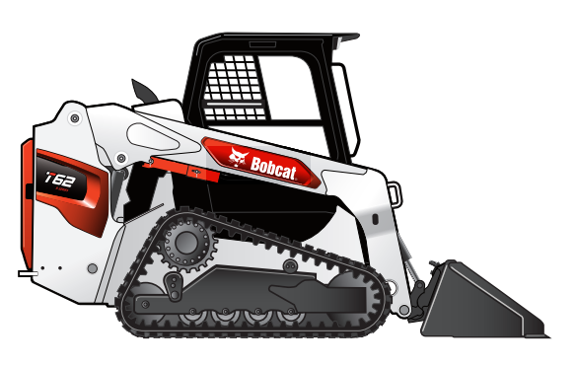
 |  | CAL | MM | MM 1:17 | stud 1:17
Length | 134.9 in | 134.9 | 3426.5 | 214.2 | 26.8
Length without Attachment | 107 in | 107.0 | 2717.8 | 169.9 | 21.2
Length with Standard Bucket | 134.9 in | 134.9 | 3426.5 | 214.2 | 26.8
Width | 67 in | 67.0 | 1701.8 | 106.4 | 13.3
Width (with bucket) | 68 in | 68.0 | 1727.2 | 107.9 | 13.5
Height | 80.5 in | 80.5 | 2044.7 | 127.8 | 16.0
Height with Operator Cab | 80.5 in | 80.5 | 2044.7 | 127.8 | 16.0
Height to Bucket Hinge Pin | 114.5 in | 114.5 | 2908.3 | 181.8 | 22.7
Reach @ Maximum Height | 23 in | 23.0 | 584.2 | 36.5 | 4.6
Turning Radius | 81.6 in | 81.6 | 2072.6 | 129.5 | 16.2
Length of track on ground | 54.3 in | 54.3 | 1379.2 | 86.2 | 10.8
Track Width | 12.6 in | 12.6 | 320.0 | 20.0 | 2.5
Track Width - Optional | 15.7 in | 15.7 | 398.8 | 24.9 | 3.1

